Research Design
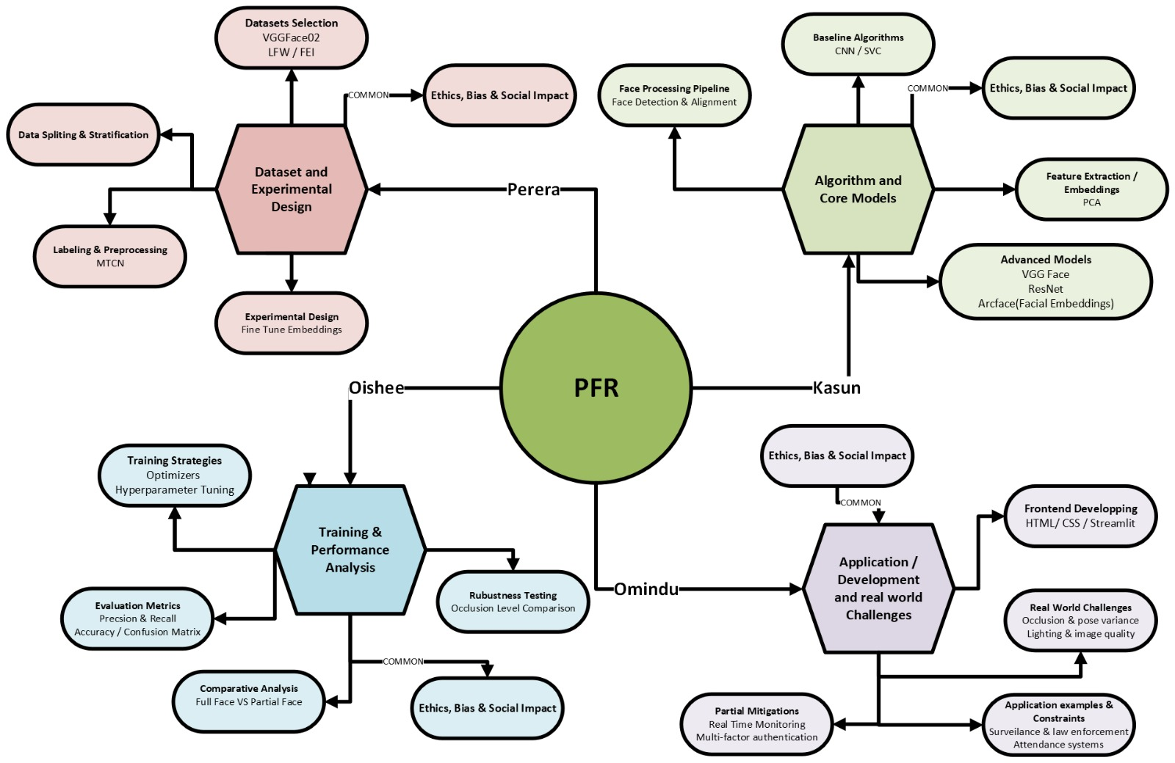
Research Design - PFR

Design Think
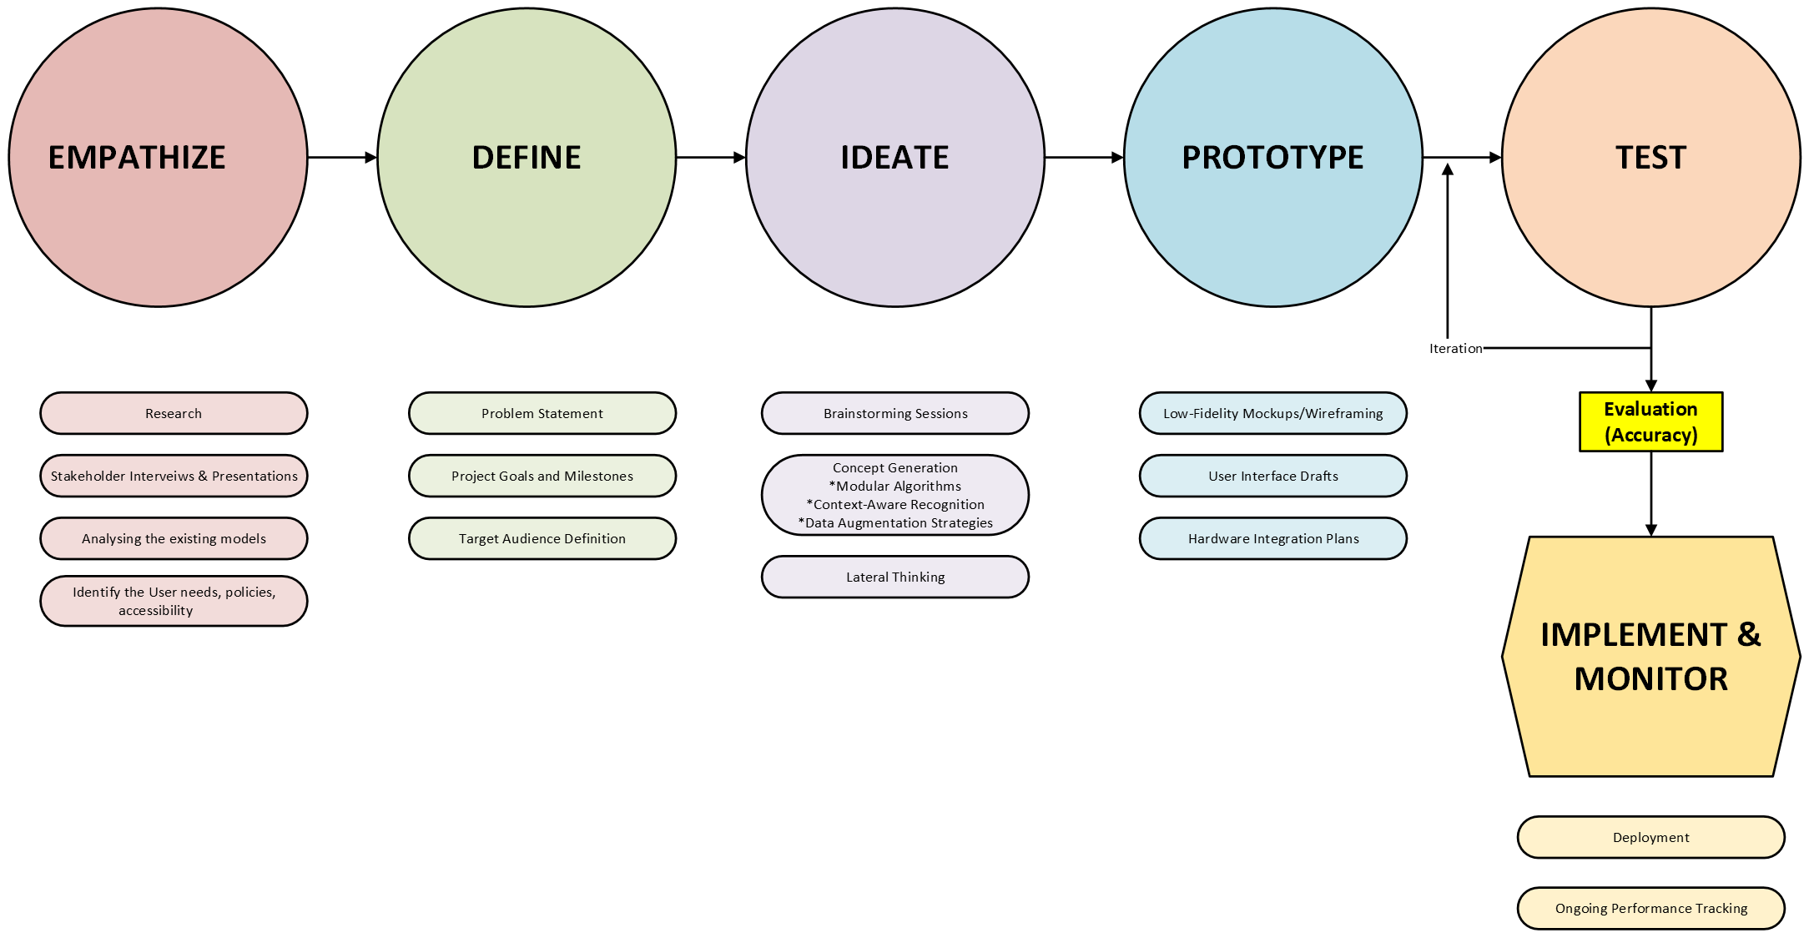
DESIGN THINKING FLOW CHART - PFR

ROAM
ROAM Analysis - PFR

ROAM
R - Resolved
O - Owned
A - Accepted
M - Mitigated
ROAM Catogory | Issue | Actions Taken / Action Plan | ROAM Designation
Issue 1 | Partial facial data results in lower-than-expected match accuracy (e.g., masks, occlusions, angles). | • Conducted accuracy benchmarking using occlusion datasets. • Implemented hybrid feature-extraction techniques to improve recognition robustness. • Adjusted thresholds to reduce false positives. | Mitigated
Issue 2 | Bias in training data may cause reduced performance for specific demographic groups when only partial features are visible. | • Initiated dataset audit and diversity scoring. • Added supplemental training data focusing on underrepresented groups. • Scheduled fairness testing into QA cycle. | Owned
Issue 3 | Integration of different team members’ work (data prep, modelling, evaluation, ethics) | Create a shared project plan with internal milestones, use version control, and schedule at least one full “integration day” before final submission. | Owned
Issue 4 | Ethical and privacy concerns (misidentification, bias, misuse) may be underdeveloped in the final report. | Assign one team member to lead the ethics section, review current guidelines on responsible use of facial recognition, and include clear discussion of risks and safeguards. | Owned
Issue 5 | Real-time recognition performance drops on lower-end devices. | • Optimized model size with quantization and pruning. • Introduced device-adaptive model selection. • Added edge-processing fallback options. | Mitigated
Issue 6 | Scope creep: trying to build a full production-style system (web app, full pipeline) instead of a focused research prototype. | Agree a clear project scope with your lecturer; prioritize research questions and core experiments; treat deployment/web app discussion as conceptual rather than full implementation. | Accepted
Issue 7 | Confusion over roles and responsibilities among the four team members. | Clearly assign ownership for literature review, data and experiments, applications/architecture, and ethics; review responsibilities in weekly meetings. | Resolved
Issue 8 | Some experimental ideas (e.g., advanced architectures or quantum methods) may not be feasible in the available time. | Keep these as “stretch goals” and document them in future work rather than relying on them for core results. | Accepted

